UDT cost
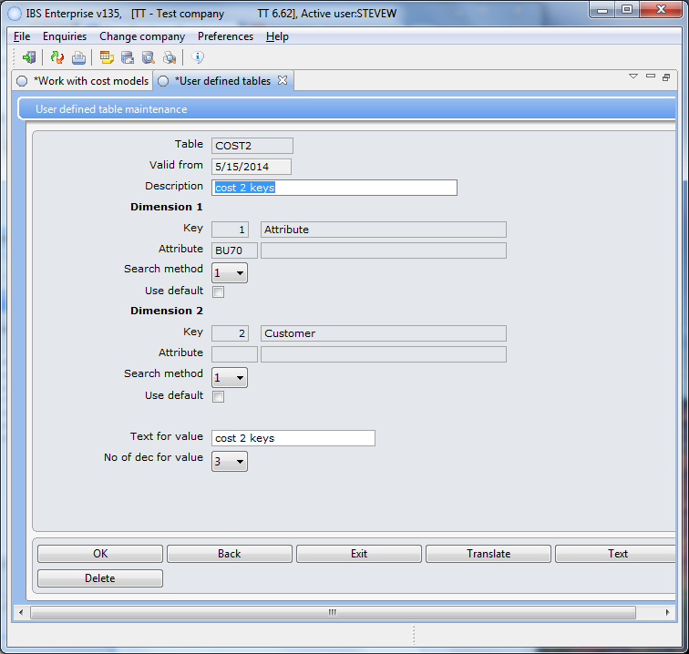

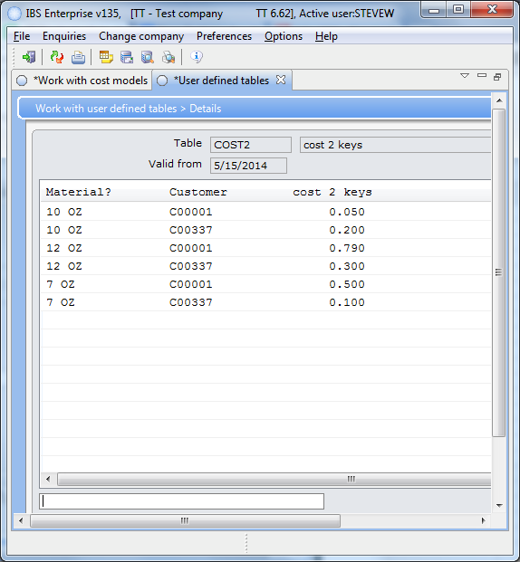

VOL
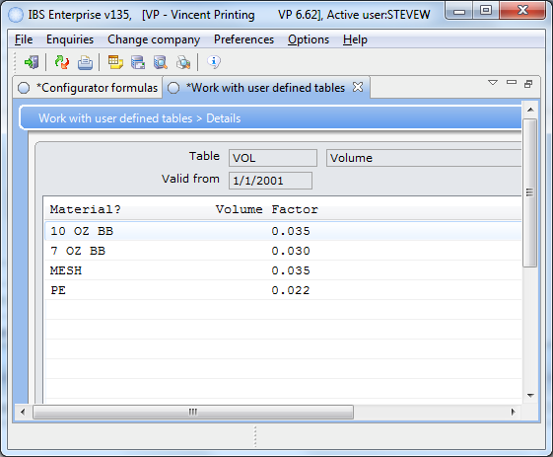

WGT
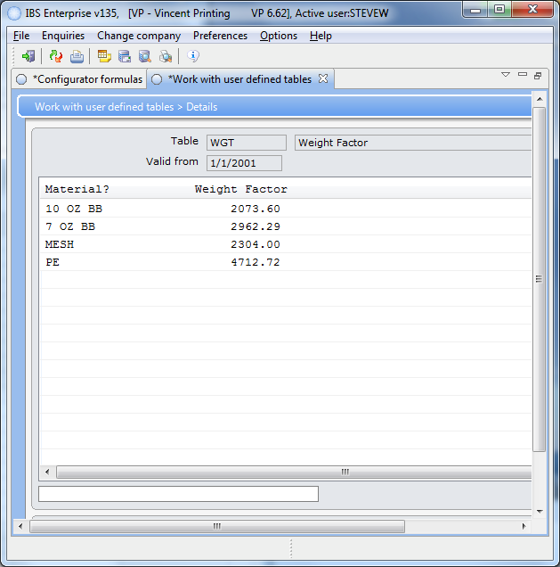

BULLETIN_BOR
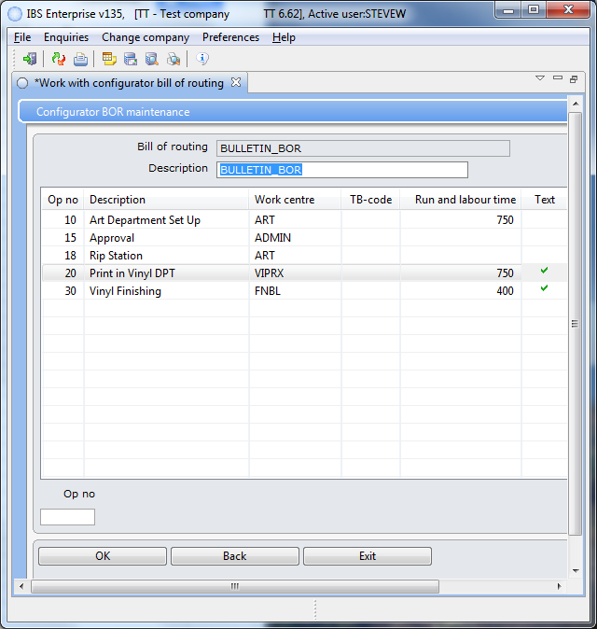

All of the Op can be manually set using "Report manufacturing Orders" in the client. Art work approved is when Op no 10 is completed. -------- Order is ready for approval ------------------- Item approved is when Op no 15 is completed. ----------- Approved --------------------------------------- Ripped is Op no 18 completed. ----------------- Ripped ---------------------------------- Printed is Op no 20 is completed. ------------------- Printed ---------------------------------- Finished is Op no 30 is completed. ------------------------- Finished --------------------------
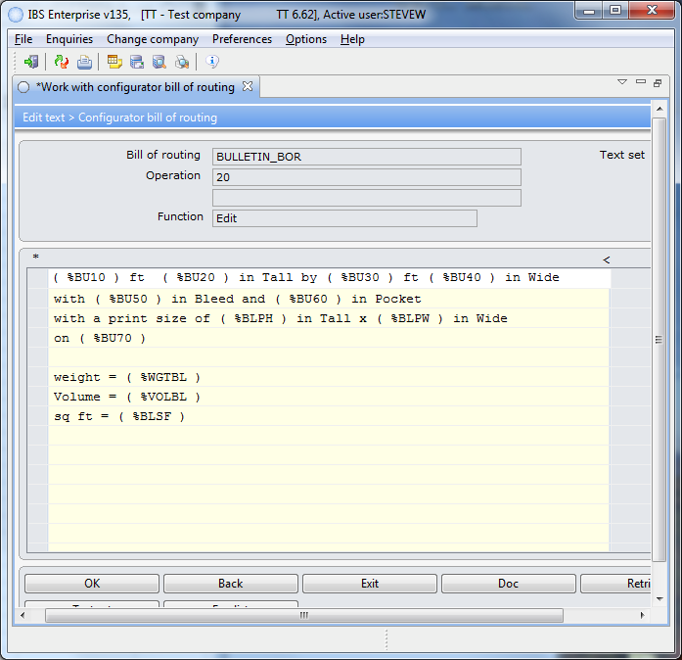

NOTE: This is where the vol, wgt, and sqft formulas are called.

SSP_CLP
